Individual Score Sheet Per Judg

 |  |  |  |  | Start N°

 |  |  |  |  | Judges Table |  |  |  | Note:

 |  |  |  |  | Competition N° |  |  |  | Printing Set Up instructions:

 |  |  |  |  | Test N° |  |  |  | ð Scaling choose

 |  |  |  |  | Arm N° |  |  |  | ð Page Setup / Margins choose "Horizontal" Alignment in order for the table to be centered on the page:
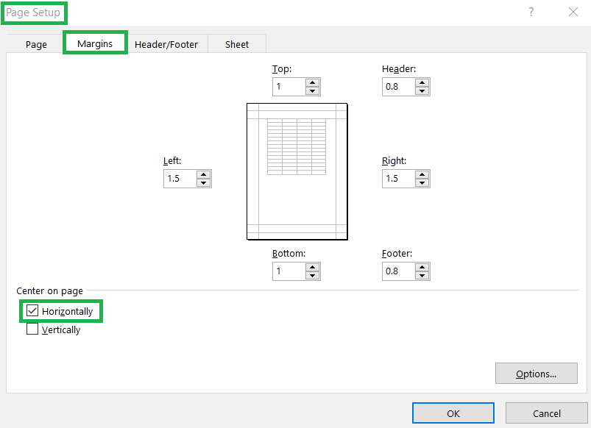
FEI WCHA-V Events (Two Judges)

Individual - FEI Challenge III - Advanced

Date |  |  |  | Vaulter
Venue |  |  |  | Nation
Country |  |  |  | Horse
 |  |  |  | Lunger

Compulsory Test

Horse |  |  |  | Horse Score |  |  | 25%
Exercises |  | Remarks |  |  | Score
Vault-On
Basic Seat
Flag
Stand
Swing forward legs closed
Half Mill
Swing backward legs open, dismount to inside
 | Sum compulsories: / 7 exercises |  |  | Score Exercises |  | #DIV/0! | 75% | ð Calculation = Average Exercises Score
 |  |  |  | Score Compulsory Test |  |  | #DIV/0! | ð Calculation = Horse Score 25% + Average Exercises Score 75%

Free Test - Time Limit: 1 minute

Horse |  |  |  | Horse Score |  |  | 25%
Technique |  |  |  |  | Score
Record |  |  | Number of Exercises
 |  |  | Sum of Deductions
 |  |  |  |  | #DIV/0! |  |  | ð Calculation = Sum of Deductions devided by Number of Exercises - Results to then be subtracted from 10.0
 |  |  | Deductions for Falls
 |  |  |  | Technique Score |  | #DIV/0! | 50% | ð Calculation = Technique Exercise Score - Deductions for Falls if any

Artistic |  |  |  |  | Score
Record |  |  | Artistic
 |  |  | Deductions
 |  |  |  | Artistic Score |  | 0 | 25% | ð Calculation = Artictic Score - Deductions if any
 |  |  |  | Score Free Test |  |  | #DIV/0! | ð Calculation = Horse Score 25% + Technique Score 50% + Free Test Score 25%

 |  |  |  | Round |  |  | #DIV/0! | ð Calculation = Average Compulsory Test Score and Free Test Score

Judge |  |  | Signature

